PLANTA PROCESOS
LATAM
 |  |  | INVOICE INVOICE: 54678061 |  | Buyer: Grupo Metalza Chile SPA Attn: Juan Carlos Barros Bravo RUT: 778754142 Add: Camino de la Aguada 14087 1 LO Barnechea Email: juancarlos.barros@grupometalza.cl Tel: +56 965462614
Add: No. 7-4, Jinjie Road, Humen Town, Dongguan, Guangdong, China Attn: Ing. Jorge Mendoza Email: proyectos@metalza.com.ec Tel: +593 988160576
Quotation

Buyer: Attn: RUT: Add: Email: Tel:

MODELO | IMAGEN | DESCRIPCION CLIENTE | CANTIDAD | PRECIO EWX | ISD 5% | COMISION 10% | FOB 3% | CIF 15% | DDP 15,5% | TOTAL

MAQUINA INYECTADORA PROYECTO BROSTER | 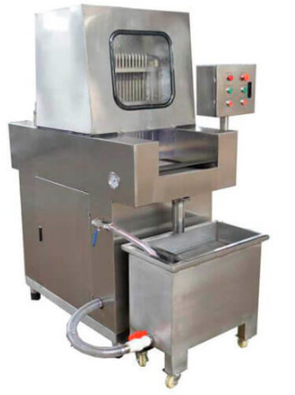 | 1. Users can adjust the Stepping Speed&Distance and Injecting Speed&Pressure&Rate according to process requirements. And the injection pressure, the pickled preparations are injected into the material uniformly, quantitatively and continuously. 2. Equipped with automatic needle passing function, so that the needle blocking rate is zero. 3. Design of Automatic-Adjust Pneumatic Needle can make needle will not thrust into BONE when injecting bone-in meat. 4. Tooth-Type conveyor makes it has anti-slipper function,which can guarantee its stable forwarding process in order to have smooth injecting process. | 1 | $11,359.00 | $567.95 | $1,135.90 | $340.77 | $15,414.16 | $17,803.36 | $17,803.36
AGUJAS |  | Hole's Diameter: 1.5mm Needle's Diameter: 4mm | 64 | $9.00 | $0.45 | $0.90 | $0.27 | $12.21 | $14.11 | $902.78
TUMBLER | 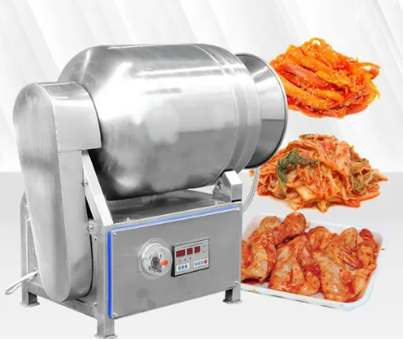 | TSY1250 Electricity 220 V,60 HZ,3 P Dimension(L*W*H) 1210*1140*2550 MM Power 1.5 KW Lifting Weight 280 KG Lifting Height 2550 MM | 1 | $8,500.00 | $425.00 | $850.00 | $255.00 | $11,534.50 | $13,322.35 | $13,322.35
LICUADORA INDUSTRIAL | 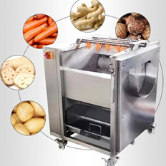 | Capacity 300-800 KG/H Electricity 220 V,60 HZ,3 P Blade Speed 2300 RPM Blade Number 10 PCS Power 2.25 KW Dimension(L*W*H) 960*500*1040 MM Net Weight 80 KG | 1 | $1,815.00 | $90.75 | $181.50 | $54.45 | $2,462.95 | $2,844.71 | $2,844.71
REPUESTOS |  | CUCHILLAS | 10 | $43.00 | $2.15 | $4.30 | $1.29 | $58.35 | $67.40 | $673.95
CORTADOR DE PAPAS | 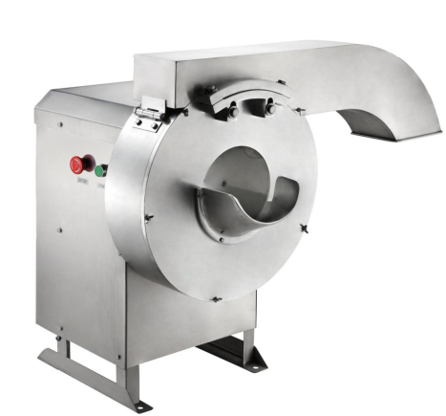 | Potato Chips and Slice Cutter 1-full 201 stainless steel machine body; 2- strip:6*6/8*8/10*10/12* 12 mm | 1 | $788.00 | $39.40 | $78.80 | $23.64 | $1,069.32 | $1,235.06 | $1,235.06
LIMPIADOR DE PAPAS | 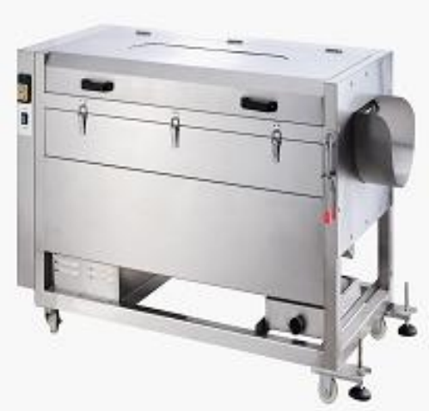 | Brush Roller Cleaning Machine 1- stainless steel machine body 2-use high quality brush, good for washing and peeling 3-suitable for potato,lotus,radish,bata ta | 1 | $1,016.00 | $50.80 | $101.60 | $30.48 | $1,378.71 | $1,592.41 | $1,592.41
CLASIFICADORA AUTOMATICA DE POLLO | 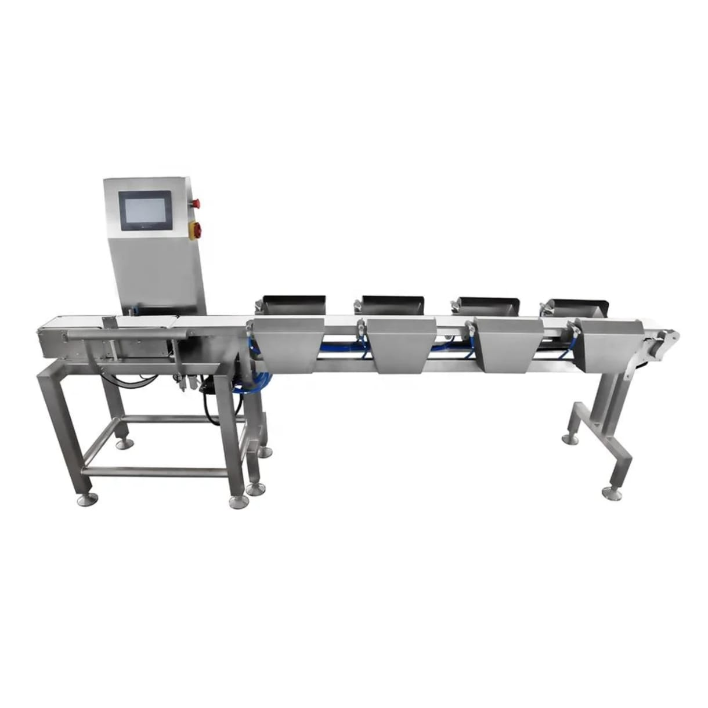 | 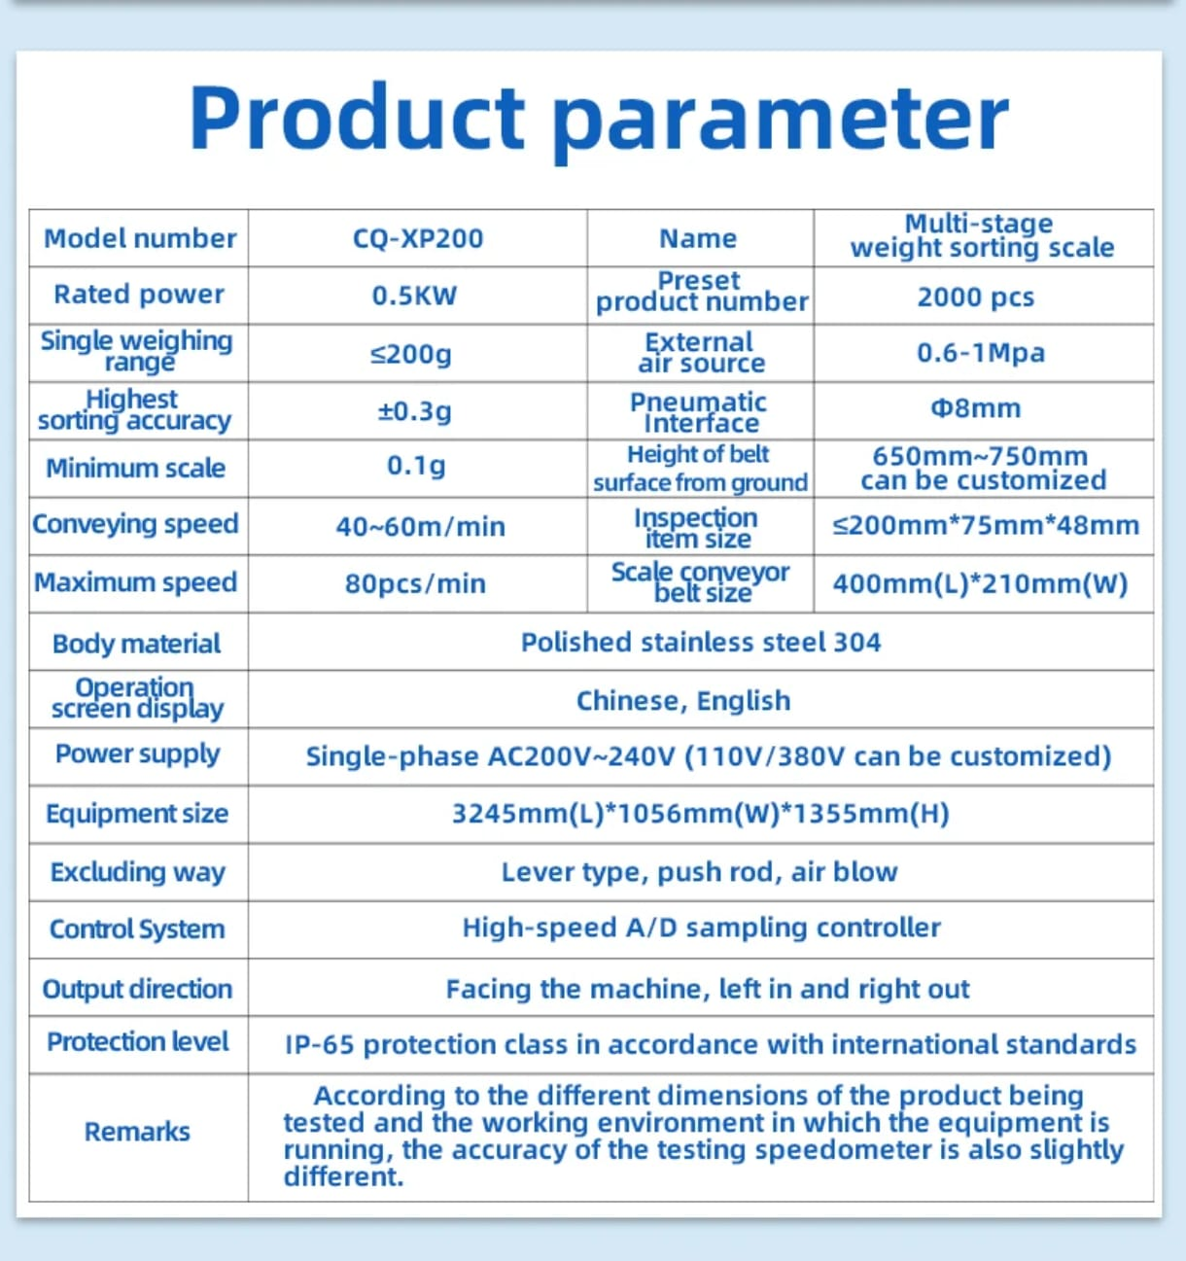 | 1 | $7,800.00 | $390.00 | $780.00 | $234.00 | $10,584.60 | $12,225.21 | $12,225.21
 |  |  |  | $31,330.00 | $1,566.50 | $3,133.00 | $939.90 | $42,514.81 | $49,104.61 | $50,599.84

TERMS & CONDITIONS

Payment term: 65% deposit-for advance payment 35% against shipping documents All balance before delivery
Delivery time: 20 to 25 days once the advance payment is made
 Warranty: 1. 1 year 2. Customer shall provide feedback with photos/videos on the goods within 48 hours after receivd. After-sales service will be invalid if the feedback is overdue. 3. Customer shall read factory instruction book before operating the equipment. 4. After-sales checking must be done by professional technician. 5. Spare parts will be paid by customer as below: 1). Parts not covered by warranty 2). Transportation caused damage. 3). Mis-handling caused damage. 4). Non-technician caused damage by repairing or maintenance without instruction. 5). Techinician caused damage by not following factory instruction.
Packing: All items would be well packed in carton box, some machine in wooden packaging, all additional and special printing, labeling, bar codes etc. request will be subject to additional charges.
SWIFT/BIC Code：BKCHCNBJ45A Account Number：17870060881707594001 Account Name：DongGuan Jinmaisi Electric Appliances Co., Ltd. Bank Address：NO.74 JINRONG ROAD, SHATOUJIAO, YANTIAN DISTRICT, SHENZHEN, CHINA Country/Region: Mainland China Type of Account：Business Account Bank name: BANK OF CHINA SHENZHEN DONGBU BRANCH Payment method: Only accept payments via SWIFT/CIPS.

PROYEECTO BROSTER
LATAM
 |  |  | INVOICE INVOICE: 54678061
Add: No. 7-4, Jinjie Road, Humen Town, Dongguan, Guangdong, China Attn: Ing. Jorge Mendoza Email: proyectos@metalza.com.ec Tel: +593 988160576
Quotation

 |  |  |  |  |  | Buyer: Grupo Metalza Chile SPA Attn: Juan Carlos Barros Bravo RUT: 778754142 Add: Camino de la Aguada 14087 1 LO Barnechea Email: juancarlos.barros@grupometalza.cl Tel: +56 965462614
Buyer: Attn: RUT: Add: Email: Tel:

MODELO | IMAGEN | DESCRIPCION CLIENTE | # | PRECIO | ISD 5% | JM 10% | FOB 3% | CIF 15% | DDP 15.5% | TOTAL

Freidora | 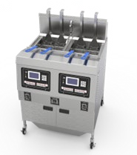 | 110V/220V/50Hz~60HZ Power：3KW Capacity：16L machine Size：380x470x530mm working pressure ：8Psi control temperature : room-200℃ Net weight：19kg | 10 | 2485 | $124.25 | $248.50 | $74.55 | $3,372.15 | $3,894.83 | $38,948.27
MESA DE EMPANAR | 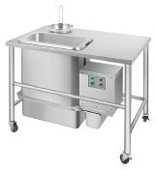 | Voltage: 220V/50HZ Power: 0.12 kW Size:1150x760x900 mm Net Weight: 55kg *Automatic powder sieving with brush. *Plastic basin *304ss *no wheels *motor speed: 45 RPM * maxinum sieving time: 90 | 10 | 880 | $44.00 | $88.00 | $26.40 | $1,194.16 | $1,379.25 | $13,792.55
GABINETE DE RETENCION | 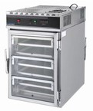 | Capacity: 6 Layers Tray Size: 46x66 cm Voltage:220V/50Hz Power: 2 kW Size:610x790x995mm Net Weight: 98 kg *Two sides open. *Front glass door, back layered door. *With LED lights. | 10 | 700 | $35.00 | $70.00 | $21.00 | $949.90 | $1,097.13 | $10,971.35
MESA DE APOLLO | 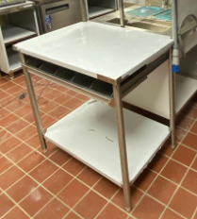 | Mesa de acero inxidable 304 de apoyo para gabinete de retencion 1HS | 10 | 90 | $4.50 | $9.00 | $2.70 | $122.13 | $165.49 | $1,654.86
Menaje varios | 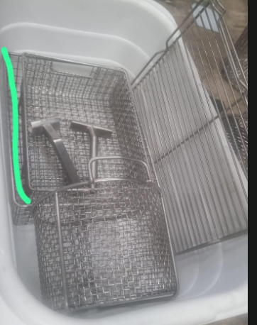 | Baskets, holding trays, claws | 10 | 100 | $5.00 | $10.00 | $3.00 | $135.70 | $183.87 | $1,838.73
 |  |  |  | $4,255.00 | $212.75 | $425.50 | $127.65 | $5,774.04 | $7,794.95 | $67,205.76

TERMS & CONDITIONS

Payment term: 65% deposit-for advance payment 35% against shipping documents All balance before delivery
Delivery time: 20 to 25 days once the advance payment is made
Warranty: 1. 1 year 2. Customer shall provide feedback with photos/videos on the goods within 48 hours after receivd. After-sales service will be invalid if the feedback is overdue. 3. Customer shall read factory instruction book before operating the equipment. 4. After-sales checking must be done by professional technician. 5. Spare parts will be paid by customer as below: 1). Parts not covered by warranty 2). Transportation caused damage. 3). Mis-handling caused damage. 4). Non-technician caused damage by repairing or maintenance without instruction. 5). Techinician caused damage by not following factory instruction.
Packing: All items would be well packed in carton box, some machine in wooden packaging, all additional and special printing, labeling, bar codes etc. request will be subject to additional charges.
SWIFT/BIC Code：BKCHCNBJ45A Account Number：17870060881707594001 Account Name：DongGuan Jinmaisi Electric Appliances Co., Ltd. Bank Address：NO.74 JINRONG ROAD, SHATOUJIAO, YANTIAN DISTRICT, SHENZHEN, CHINA Country/Region: Mainland China Type of Account：Business Account Bank name: BANK OF CHINA SHENZHEN DONGBU BRANCH Payment method: Only accept payments via SWIFT/CIPS.

EMPAQUES
LATAM
 |  |  | COTIZACION ESQUINA DE ALES
No. | Product Name | picture | Description / Specification | Size | Quanity (piece) | Total Craton | QTY/CTN (pcs) | Unit Price (USD) | SUB TOTAL Price (USD) EXW | COMISION 10% | 5% ISD | SUB TOTAL Price (USD) CIF 15 % aprox | Precio ya NACIONALIZADO incluye 15% iva aranceles 0% aprox | TOTAL
1 | Fried Chicken Bucket POLLO FAMILIAR BROSTER |  | Material: Kraft Paper | 200*145*160mm | 100,000 | 100 | 1000 | $0.0319 | $3,190.00 | $319.00 | $159.50 | $478.50 | $478.50 | $4,625.50
5 | CAJA POLLO ENTERO BRASA |  | Material: Kraft Paper | 280*220*150 | 100,000 | 250 | 400 | $0.1086 | $10,860.42 | $1,086.04 | $543.02 | $1,629.06 | $1,629.06 | $15,747.60 | 0.012 | 60
6 | CAJA 1/2 POLLO BRASA |  | Material: Kraft Paper | 280*150*100 | 100,000 | 250 | 400 | $0.0886 | $8,855.42 | $885.54 | $442.77 | $1,328.31 | $1,328.31 | $12,840.35 |  | 76 | 0.0152
7 | CAJA 1/4 POLLO BRASA |  | Material: Kraft Paper | 180*130*100 | 100,000 | 333 | 300 | $0.0685 | $6,850.42 | $685.04 | $342.52 | $1,027.56 | $1,027.56 | $9,933.10
23 | LAMINA ANTIGRASA POLLO ENTERO | 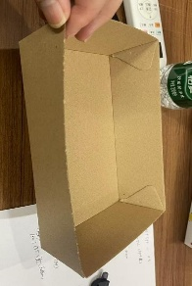 | Material: 45gsm Kraft Paper | 68*68cm | 100,000 | 10 | 10,000 | $0.0272 | $2,720.00 | $272.00 | $136.00 | $408.00 | $408.00 | $3,944.00
23 | LAMINA ANTIGRASA MEDIO POLLO |  | Material: 45gsm Kraft Paper | 58*58cm | 100,000 | 10 | 10,000 | $0.0232 | $2,320.00 | $232.00 | $116.00 | $348.00 | $348.00 | $3,364.00
23 | LAMINA ANTIGRASA 1/4 POLLO |  | Material: 45gsm Kraft Paper | 38*38cm | 100,000 | 10 | 10,000 | $0.0152 | $1,520.00 | $152.00 | $76.00 | $228.00 | $228.00 | $2,204.00
28 | CAJA DE PAPAS |  | Material: White cardboard | 110*75*75mm | 100,000 | 50 | 2,000 | $0.0235 | $2,350.00 | $235.00 | $117.50 | $352.50 | $352.50 | $3,407.50
32 | Cooler bag 1/2 pllo |  | 100g non-woven fabric | 275*170*235+40mm | 100,000 | 500 | 200 | $0.1074 | $10,740.00 | $1,074.00 | $537.00 | $1,611.00 | $1,611.00 | $15,573.00
33 | Cooler bag 1/4 pllo |  | 100g non-woven fabric | 295*155*385+40mm | 100,000 | 500 | 200 | $0.0860 | $8,600.00 | $860.00 | $430.00 | $1,290.00 | $1,290.00 | $12,470.00
37 | Total |  |  |  | 3600000 | 5252 |  |  |  |  |  |  |  | $84,109.06

PLANTA PROCESOS (2)
LATAM
 |  |  | INVOICE INVOICE: 54678061 |  | Buyer: Grupo Metalza Chile SPA Attn: Juan Carlos Barros Bravo RUT: 778754142 Add: Camino de la Aguada 14087 1 LO Barnechea Email: juancarlos.barros@grupometalza.cl Tel: +56 965462614
Add: No. 7-4, Jinjie Road, Humen Town, Dongguan, Guangdong, China Attn: Ing. Jorge Mendoza Email: proyectos@metalza.com.ec Tel: +593 988160576
Quotation

Buyer: Attn: RUT: Add: Email: Tel:

MODELO | IMAGEN | DESCRIPCION CLIENTE | CANTIDAD | PRECIO EWX | ISD 5% | COMISION 10% | FOB 3% | CIF 15% | DDP 15,5% | TOTAL

MAQUINA INYECTADORA PROYECTO BROSTER |  | 1. Users can adjust the Stepping Speed&Distance and Injecting Speed&Pressure&Rate according to process requirements. And the injection pressure, the pickled preparations are injected into the material uniformly, quantitatively and continuously. 2. Equipped with automatic needle passing function, so that the needle blocking rate is zero. 3. Design of Automatic-Adjust Pneumatic Needle can make needle will not thrust into BONE when injecting bone-in meat. 4. Tooth-Type conveyor makes it has anti-slipper function,which can guarantee its stable forwarding process in order to have smooth injecting process. | 1 | $11,359.00 | $567.95 |  | $340.77 | $13,494.49 | $15,586.14 | $15,586.14
AGUJAS |  | Hole's Diameter: 1.5mm Needle's Diameter: 4mm | 64 | $9.00 | $0.45 |  | $0.27 | $10.69 | $12.35 | $790.35
TUMBLER |  | TSY1250 Electricity 220 V,60 HZ,3 P Dimension(L*W*H) 1210*1140*2550 MM Power 1.5 KW Lifting Weight 280 KG Lifting Height 2550 MM | 1 | $8,500.00 | $425.00 |  | $255.00 | $10,098.00 | $11,663.19 | $11,663.19
LICUADORA INDUSTRIAL |  | Capacity 300-800 KG/H Electricity 220 V,60 HZ,3 P Blade Speed 2300 RPM Blade Number 10 PCS Power 2.25 KW Dimension(L*W*H) 960*500*1040 MM Net Weight 80 KG | 1 | $1,815.00 | $90.75 |  | $54.45 | $2,156.22 | $2,490.43 | $2,490.43
REPUESTOS |  | CUCHILLAS | 10 | $43.00 | $2.15 |  | $1.29 | $51.08 | $59.00 | $590.02
CORTADOR DE PAPAS |  | Potato Chips and Slice Cutter 1-full 201 stainless steel machine body; 2- strip:6*6/8*8/10*10/12* 12 mm | 1 | $788.00 | $39.40 |  | $23.64 | $936.14 | $1,081.25 | $1,081.25
LIMPIADOR DE PAPAS |  | Brush Roller Cleaning Machine 1- stainless steel machine body 2-use high quality brush, good for washing and peeling 3-suitable for potato,lotus,radish,bata ta | 1 | $1,016.00 | $50.80 |  | $30.48 | $1,207.01 | $1,394.09 | $1,394.09
CLASIFICADORA AUTOMATICA DE POLLO |  |  | 1 | $7,800.00 | $390.00 |  | $234.00 | $9,266.40 | $10,702.69 | $10,702.69
 |  |  |  | $31,330.00 | $1,566.50 | $- | $939.90 | $37,220.04 | $42,989.15 | $44,298.17

 |  |  |  |  |  |  |  |  |  | $50,599.84
TERMS & CONDITIONS

Payment term: 65% deposit-for advance payment 35% against shipping documents All balance before delivery |  |  |  |  |  |  |  |  |  | $6,301.68
Delivery time: 20 to 25 days once the advance payment is made
Warranty: 1. 1 year 2. Customer shall provide feedback with photos/videos on the goods within 48 hours after receivd. After-sales service will be invalid if the feedback is overdue. 3. Customer shall read factory instruction book before operating the equipment. 4. After-sales checking must be done by professional technician. 5. Spare parts will be paid by customer as below: 1). Parts not covered by warranty 2). Transportation caused damage. 3). Mis-handling caused damage. 4). Non-technician caused damage by repairing or maintenance without instruction. 5). Techinician caused damage by not following factory instruction.
Packing: All items would be well packed in carton box, some machine in wooden packaging, all additional and special printing, labeling, bar codes etc. request will be subject to additional charges.
SWIFT/BIC Code：BKCHCNBJ45A Account Number：17870060881707594001 Account Name：DongGuan Jinmaisi Electric Appliances Co., Ltd. Bank Address：NO.74 JINRONG ROAD, SHATOUJIAO, YANTIAN DISTRICT, SHENZHEN, CHINA Country/Region: Mainland China Type of Account：Business Account Bank name: BANK OF CHINA SHENZHEN DONGBU BRANCH Payment method: Only accept payments via SWIFT/CIPS.

PROYEECTO BROSTER (2)
LATAM
 |  |  | INVOICE INVOICE: 54678061
Add: No. 7-4, Jinjie Road, Humen Town, Dongguan, Guangdong, China Attn: Ing. Jorge Mendoza Email: proyectos@metalza.com.ec Tel: +593 988160576
Quotation

 |  |  |  |  |  | Buyer: Grupo Metalza Chile SPA Attn: Juan Carlos Barros Bravo RUT: 778754142 Add: Camino de la Aguada 14087 1 LO Barnechea Email: juancarlos.barros@grupometalza.cl Tel: +56 965462614
Buyer: Attn: RUT: Add: Email: Tel:

MODELO | IMAGEN | DESCRIPCION CLIENTE | # | PRECIO | ISD 5% | JM 10% | FOB 3% | CIF 15% | DDP 15.5% | TOTAL

Freidora |  | 110V/220V/50Hz~60HZ Power：3KW Capacity：16L machine Size：380x470x530mm working pressure ：8Psi control temperature : room-200℃ Net weight：19kg | 10 | 2485 | $124.25 |  |  | $2,870.18 | $3,315.05 | $33,150.52
MESA DE EMPANAR |  | Voltage: 220V/50HZ Power: 0.12 kW Size:1150x760x900 mm Net Weight: 55kg *Automatic powder sieving with brush. *Plastic basin *304ss *no wheels *motor speed: 45 RPM * maxinum sieving time: 90 | 10 | 880 | $44.00 |  | $26.40 | $1,045.44 | $1,207.48 | $12,074.83
GABINETE DE RETENCION |  | Capacity: 6 Layers Tray Size: 46x66 cm Voltage:220V/50Hz Power: 2 kW Size:610x790x995mm Net Weight: 98 kg *Two sides open. *Front glass door, back layered door. *With LED lights. | 10 | 700 | $35.00 |  | $21.00 | $831.60 | $960.50 | $9,604.98
MESA DE APOLLO |  | Mesa de acero inxidable 304 de apoyo para gabinete de retencion 1HS | 10 | 90 | $4.50 |  | $2.70 | $106.92 | $144.88 | $1,448.77
Menaje varios |  | Baskets, holding trays, claws | 10 | 100 | $5.00 |  | $3.00 | $118.80 | $160.97 | $1,609.74
 |  |  |  | $4,255.00 | $212.75 |  | $53.10 | $4,972.94 | $6,713.46 | $57,888.84

TERMS & CONDITIONS |  |  |  |  |  |  |  |  |  | $67,205.76

Payment term: 65% deposit-for advance payment 35% against shipping documents All balance before delivery |  |  |  |  |  |  |  |  |  | $9,316.92
Delivery time: 20 to 25 days once the advance payment is made
Warranty: 1. 1 year 2. Customer shall provide feedback with photos/videos on the goods within 48 hours after receivd. After-sales service will be invalid if the feedback is overdue. 3. Customer shall read factory instruction book before operating the equipment. 4. After-sales checking must be done by professional technician. 5. Spare parts will be paid by customer as below: 1). Parts not covered by warranty 2). Transportation caused damage. 3). Mis-handling caused damage. 4). Non-technician caused damage by repairing or maintenance without instruction. 5). Techinician caused damage by not following factory instruction.
Packing: All items would be well packed in carton box, some machine in wooden packaging, all additional and special printing, labeling, bar codes etc. request will be subject to additional charges.
SWIFT/BIC Code：BKCHCNBJ45A Account Number：17870060881707594001 Account Name：DongGuan Jinmaisi Electric Appliances Co., Ltd. Bank Address：NO.74 JINRONG ROAD, SHATOUJIAO, YANTIAN DISTRICT, SHENZHEN, CHINA Country/Region: Mainland China Type of Account：Business Account Bank name: BANK OF CHINA SHENZHEN DONGBU BRANCH Payment method: Only accept payments via SWIFT/CIPS.

